RISK Register
PROJECT NAME |  | CLIENT NAME
PROJECT MANAGER |  | Sunil Kumar Dash
PROJECT METHOD |  | Waterfall
Document Type: |  | RISK Register
Risk ID | Date Raised | Risk Originator(Raised By) | Risk Description | Risk Category | Probability | Impact | Severity | Risk Response | Trigger | Risk Owner | Action Owner | Mitigation Plan | Contingency Plan | Action Due Date | Status | Notes
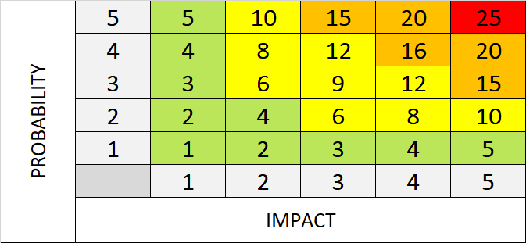
1 | 2023-01-01 | Sunil Kumar Dash | Risk: Integration Challenges: Difficulty in integrating various software components, resulting in delays or functionality issues. | Technical (Network,IT) | 4 | 4 | 16 | Mitigation | Lack of proper communication between development teams. | Michael Jordan | Michael Jordan | Implement a comprehensive integration testing strategy and conduct regular code reviews. | Allocate additional time and resources for integration-related tasks. | 2023-01-10 | Assessed | Conduct thorough testing and prototyping during the development process.
2 | 2023-01-02 | Sunil Kumar Dash | Risk: Security Vulnerabilities Potential security breaches and data leaks, leading to compromised user information. | Internal | 5 | 5 | 25 | Mitigation | Weaknesses in the application's architecture or inadequate security measures. | Sagar Mehta | Sagar Mehta | Conduct thorough security testing and apply necessary patches and updates promptly. | Have a rapid response plan in place to mitigate and recover from any security breaches. | 2023-01-10 | Assessed | Implement robust security measures, including encryption, secure coding practices, and regular security audits.
3 | 2023-01-03 | Sunil Kumar Dash | Risk: Scope Creep Continuous expansion of project scope beyond the initial requirements, leading to delays and resource constraints. | Internal | 5 | 4 | 20 | Mitigation | Frequent changes in client requirements or poor scope management. | Viktor | Viktor | Regularly communicate and align with stakeholders to ensure scope adherence. | Allocate additional resources or adjust project timelines to accommodate scope changes. | 2023-01-15 | Assessed | Clearly define and document project scope. Implement a change control process to manage scope changes effectively.
4 | 2023-01-04 | Sagar Kumar | Risk: Integration Challenges: Difficulty in integrating various software components, resulting in delays or functionality issues. | Technical (Network,IT) | 4 | 4 | 16 | Mitigation | Lack of proper communication between development teams. | Michael Jordan | Michael Jordan | Implement a comprehensive integration testing strategy and conduct regular code reviews. | Allocate additional time and resources for integration-related tasks. | 2023-01-10 | Assessed | Conduct thorough testing and prototyping during the development process.
5 | 2023-01-05 | Sagar Kumar | Risk: Security Vulnerabilities Potential security breaches and data leaks, leading to compromised user information. | Internal | 5 | 5 | 25 | Mitigation | Weaknesses in the application's architecture or inadequate security measures. | Sagar Mehta | Sagar Mehta | Conduct thorough security testing and apply necessary patches and updates promptly. | Have a rapid response plan in place to mitigate and recover from any security breaches. | 2023-01-10 | Assessed | Implement robust security measures, including encryption, secure coding practices, and regular security audits.
6 | 2023-01-06 | Sumant Mehta | Risk: Scope Creep Continuous expansion of project scope beyond the initial requirements, leading to delays and resource constraints. | Internal | 5 | 4 | 20 | Mitigation | Frequent changes in client requirements or poor scope management. | Viktor | Viktor | Regularly communicate and align with stakeholders to ensure scope adherence. | Allocate additional resources or adjust project timelines to accommodate scope changes. | 2023-01-15 | Assessed | Clearly define and document project scope. Implement a change control process to manage scope changes effectively.
7 | 2023-01-07 | Sumant Mehta | Risk: Integration Challenges: Difficulty in integrating various software components, resulting in delays or functionality issues. | Technical (Network,IT) | 4 | 4 | 16 | Mitigation | Lack of proper communication between development teams. | Michael Jordan | Michael Jordan | Implement a comprehensive integration testing strategy and conduct regular code reviews. | Allocate additional time and resources for integration-related tasks. | 2023-01-10 | Assessed | Conduct thorough testing and prototyping during the development process.
8 | 2023-01-08 | Sunil Kumar Dash | Risk: Security Vulnerabilities Potential security breaches and data leaks, leading to compromised user information. | Internal | 5 | 5 | 25 | Mitigation | Weaknesses in the application's architecture or inadequate security measures. | Sagar Mehta | Sagar Mehta | Conduct thorough security testing and apply necessary patches and updates promptly. | Have a rapid response plan in place to mitigate and recover from any security breaches. | 2023-01-10 | Assessed | Implement robust security measures, including encryption, secure coding practices, and regular security audits.
9 | 2023-01-09 | Sunil Kumar Dash | Risk: Scope Creep Continuous expansion of project scope beyond the initial requirements, leading to delays and resource constraints. | Internal | 5 | 4 | 20 | Mitigation | Frequent changes in client requirements or poor scope management. | Viktor | Viktor | Regularly communicate and align with stakeholders to ensure scope adherence. | Allocate additional resources or adjust project timelines to accommodate scope changes. | 2023-01-15 | Assessed | Clearly define and document project scope. Implement a change control process to manage scope changes effectively.
10 | 2023-01-10 | Sunidhi Sharma | Risk: Integration Challenges: Difficulty in integrating various software components, resulting in delays or functionality issues. | Technical (Network,IT) | 4 | 4 | 16 | Mitigation | Lack of proper communication between development teams. | Michael Jordan | Michael Jordan | Implement a comprehensive integration testing strategy and conduct regular code reviews. | Allocate additional time and resources for integration-related tasks. | 2023-01-10 | Assessed | Conduct thorough testing and prototyping during the development process.

 |  |  |  |  |  |  | 0
 |  |  |  |  |  |  | 0

